Background
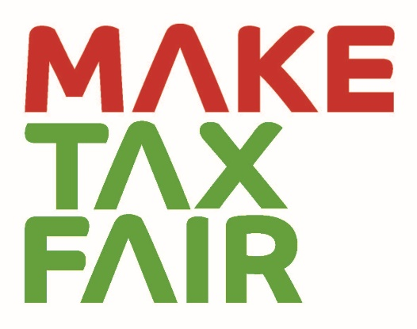


FAIR TAX MONITOR
Background
The Fair Tax Monitor (FTM) project was started in December 2014. The FTM project was developed by Oxfam Novib and Tax Justice Network–Africa in collaboration with partners and Oxfam Country Offices.
The Fair Tax Monitor’s overall goal is to strengthen the advocacy activities at the local and global levels. Through the development of local technical capacity on technical fiscal issues, it provides an overview of national tax systems and identifies the main challenges they face. The tool provides reliable evidence for the advocacy and lobby work of our partners, which strengthens their position and increases their credibility as well as their influencing power. Furthermore, the FTM compares key elements of tax systems and thus complements the activities of Oxfam’s global Even it Up! campaign and TJN-A’s activities realized at the African level. The project’s focus is on tax policies and practices, and by deliberate choice it pays only reserved attention to issues related to public expenditure.
The Guidance document, alongside the recently updated version of the Common Research Framework (CRF) document, will be utilized starting in 2019 for country research by a number of new countries, as well as partners from ActionAid. The original CRF was developed during the pilot phase in 2015/2016 and implemented in 4 pilot countries: Bangladesh, Pakistan, Uganda and Senegal. A first update to the CRF was made in 2018 and implemented in 9 countries: Senegal, Tunisia, Nigeria, Uganda, Occupied Palestinian Territories, Pakistan, Bangladesh, Vietnam and Cambodia. While the previous versions of the CRF were only utilized in Africa and Southeast Asia, the ambition of the new CRF methodology is to expand to Latin America and sharply increase the number of national reports produced in Africa (also through the partnership with Action Aid).
The latest revisions for the 2019 CRF are based on the inputs received during a series of skype meetings with the FTM Working Group members (Oxfam staff and partners) and during workshops held in The Hague. In addition, we received inputs from internal and external experts working on taxation and development.
With the project Working Group we defined a fair tax system as follows: (1) progressive and serves as a mechanism to redistribute income in a gender responsive way; (2) allows to raise sufficient revenue to perform government functions and provide essential services; (3) refrains from and eliminates tax exemptions and incentives to the elite; and (4) tackles causes of illicit capital flight and tax evasion by international companies and the wealthy.
The common research framework can be used to gather qualitative and quantitative information in a standardized manner. The collected data will be categorized and evaluated and entered into the FTM online tool. A research report with more detailed information and analyses will be available for each focus country at www.maketaxfair.net.
Approach
The common research framework is divided into six thematic categories used for evaluation. These categories are meant to cover the main issues that tax systems in developing countries face today, and to reflect the idea of a fair tax system. The categories included in the FTM’s methodology to evaluate the tax systems are:
PROGRESSIVE TAX SYSTEM
SUFFICIENT REVENUES
TAX COMPETITION AND CORPORATE TAX INCENTIVES
EFFECTIVE TAX ADMINISTRATION
PRO-POOR GOVERNMENT SPENDING
ACCOUNTABLE PUBLIC FINANCES
To properly assess the categories above and to be able to compare the data between the countries, each category is divided into several topics for which a series of scoring questions are designed. The scoring questions were formulated as binary (yes/no) questions and their structure is adjusted so that a scoring point is assigned to a positive answer and no scoring point to a negative answer. For qualitative questions, to indicate a country scores partially positive, we offer the possibility to give 0,5 points. In this way, it is possible to work with both qualitative and quantitative data and to combine them in constructing the final score for each category.
The scoring scale is defined from zero to ten; zero representing an unfair component of a tax system and ten representing a fair component of a tax system. The final scores are rounded up for practical purposes, but the exact scores are available in the methodology sheets for each country. The scale is also divided into five coloured intervals corresponding to scores (0 to 2), (3 to 4), (5 to 6), (7 to 8) and (9 to 10).

